BALANCEBOX 400
Touchpanel mounting height configurator

 |  | Choose Interactive touchpanel model:
 |  | SAMSUNG Flip pro 85" (WM85B) (2022) |  |  |  |  | #N/A

 | USE: | #N/A | PLEASE GOT TO BALANCEBOX 650 TAB
 |  | #N/A | #N/A

Value "M": top active touch area to top VESA mounting points
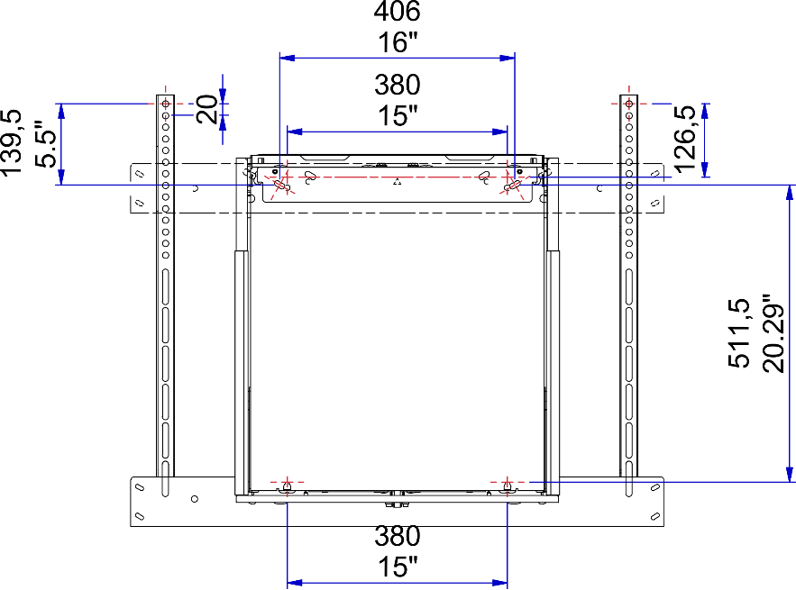
Choose: |  |  |  |  | M=
i-TOPmax |  |  |  |  |  | #VALUE!
2010
79,15 in |  |  | ● | ● |  |  | #N/A
BalanceBox®
Wall-bracket
Mounting height
i-TOPmin | VAH |  | VESA: x 0
#N/A
#N/A | #VALUE!
 |  |  |  |  |  |  | #N/A
 |  |  |  |  |  |  | #N/A
 |  |  |  |  |  |  | #N/A

 |  |  |  |  | i-BOTTOMmax
 |  |  |  |  | #VALUE!
 |  | Moves down |  |  | #VALUE!
 |  | 400 mm
 |  | 15.75in
 |  |  |  |  |  | i-BOTTOMmin
 |  |  |  |  |  | #N/A
 |  |  |  |  |  | #N/A

 | i-TOP | Projected Image TOP edge, highest and lowest position
 | i_BOTTOM | Projected Image BOTTOM Edge, highest and lowest position
 | VAH | Viewing Area Height
 | M | Viewing area TOP edge to center of top Vesa connection point

BALANCEBOX 650
Touchpanel mounting height configurator

 |  | Choose Interactive touchpanel model:
 |  | ActivPanel 9 86" (Q3-22) |  |  |  | 75.1

 | USE: | 484A08 | BalanceBox® 650-130 (67-127KG) INCL BOTH COVERS
 |  | 3rd party | VESA bracket supplied by screen manufacturer

Value "M": top active touch area to top VESA mounting points
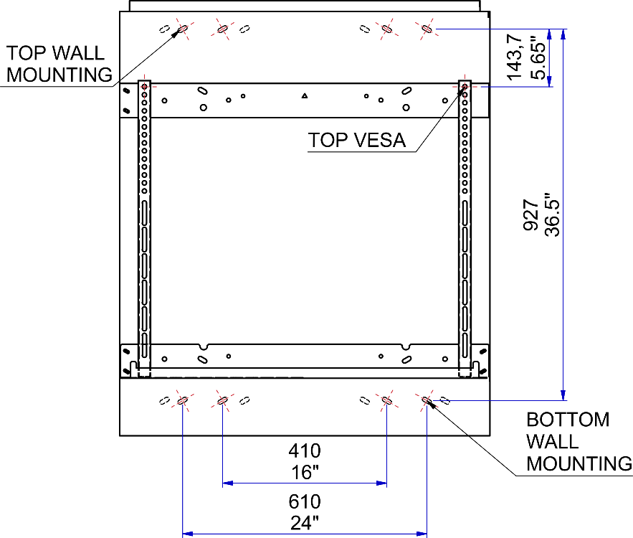
Choose: |  |  |  | 231 | M | -
i-TOPmax |  |  |  | 9,1 in
2320
91,35 in |  |  | ● | ●

BalanceBox®
Wall-bracket
Mounting height
i-TOPmin | VAH
1670 | 1068 |  | VESA: 800 x 600
65,75 in | 42.0

 |  |  |  |  |  | 1349
 |  |  |  |  |  | 53,15 in
 | i-BOTTOMmax |  |  |  |  | BalanceBox 650
 | 1252
 | 49,3 in

 | i-BOTTOMmin
 | 602 |  | Moves down
 | 23,75 in |  | 650 mm
 |  |  | 25.6 in

 | i-TOP | Projected Image TOP edge, highest and lowest position
 | i_BOTTOM | Projected Image BOTTOM Edge, highest and lowest position
 | VAH | Viewing Area Height
 | M | Viewing area TOP edge to center of top Vesa connection point

